Market Growth Research
Market Growth Research and Application areas of HR Tool
Market Research of HR Technology Tools from 2017-2028
Name of Product | Reclgo/Transhire AI/AI Recruiter
 |  | Source of Report: | https://www.fortunebusinessinsights.com/human-resource-hr-technology-market-105437
Name of Market/Industry Segment | Human Resource (HR) Technology

Current Market size | USD 24.09 Billion in 2021

Impact of Covid in growth rate in 2020 | 4.9% lower growth compared to 2017-2019

Market Size in Future | USD 35.68 Billion in 2028

CAGR of HR Market | 5.8% from 2021-2028

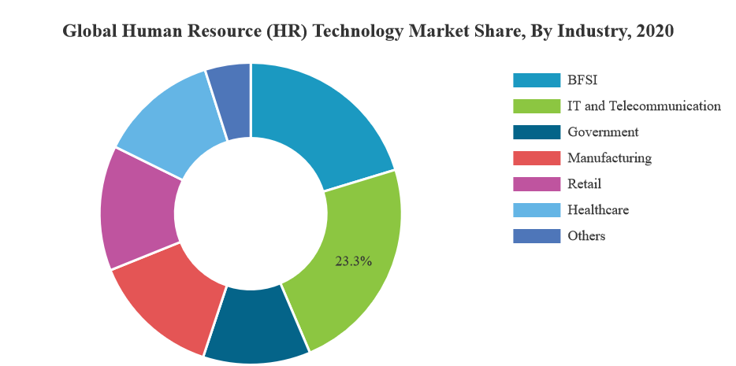
Market Segmentation (According to current trend)
a. By Industry Analysis | BFSI
 | IT and Telecommunication
 | Government
 | Manufacturing
 | Retail
 | Healthcare
 | Others

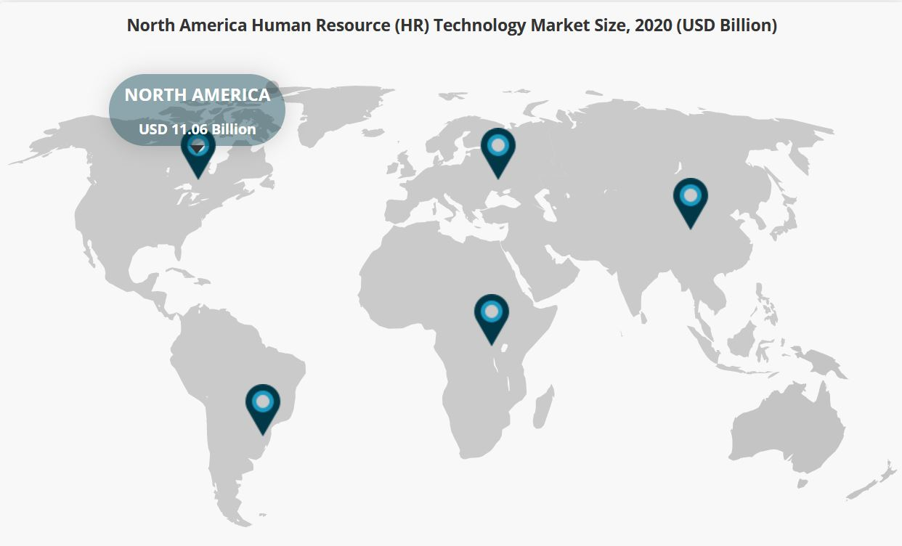
b. By Regional Insights | North America (USD 11.06 Billion)
 | South America
 | Middle East Africa
 | Europe
 | Asia Pacific

Driving Factors for Growth in this market till 2028
 | a. Integration of Artificial Intelligence and Analytics with Recruitment tool
 | b. Rising demand for Predictive and workforce Analytics to increase market growth

Restraining Factors
 | Limited use of Analytical Tools in HR Practices to hinder Market Growth

Summary
Overall Market Growth | Rising

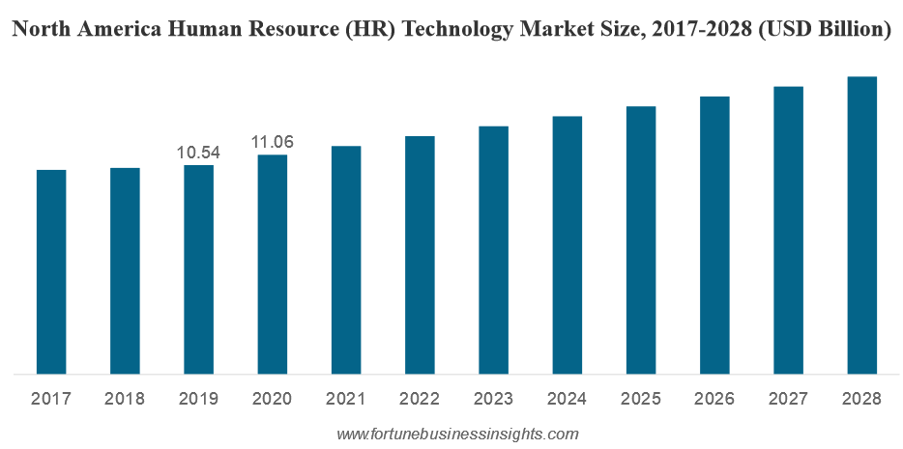

Different Trend Analysis of AI in HR Technology Sector
Different Trends of AI in HR Tools
 | Predictive Human Capital Management (HCM) tools powered by behavioral analysis
 | Online on-demand AI-enabled platforms to enable remote work
 | Intelligent chatbots to change the way HR interacts with candidates and employees
 | AI-based recruiting to focus on eliminating bias to build inclusivity
 | Increased accountability with more transparent tech and data-driven HRMS
 | Better teamwork with tech-enabled omnichannel collaborative tools
 | Improved and agile processes driven by AI to elevate the employee experience
 | Gamification to enable learning and skill-based measurements
 | Source: https://www.hrtechnologist.com/articles/ai-in-hr/20-ai-in-hr-trends/

List of Key Companies working in this Sector

Company Name | Location
Automatic Data Processing (ADP) Inc. | New Jersey, United States
Ceridian HCM Inc. | Minnesota, United States
Cezanne HR Ltd | London, United Kingdom
Cornerstone ondemand Inc. | California, United States
IBM Corporation | New York, United States
Infor | New York, United States
Netsuite Inc. | California, United States
Oracle Coroporation | California, United States
SAP SE | Walldorf, Germany
Talentsoft | France, Europe
Ultimate Software | Florida, United States
Workday Inc. | California, United States

Source: | https://www.fortunebusinessinsights.com/human-resource-hr-technology-market-105437

